Calculator Instructions
BMR Advanced Profitability and Corn Calculator
Welcome to the Brevant BMR Advanced Profitability Calculator, where we have now included a tab to help you estimate ground corn usage in a typical dairy lactation ration. While this calculator is not intended to replace advanced ration balancing software, it is intended to help agronomists, nutritionists, and dairy farmers compare the ground corn needs when choosing between BMR and dual purpose hybrids.

Perimeters have been set on the "Ration-Corn Calculator" tab to provide help for those who do not typically formulate dairy rations. Please reference the pop-up notes for each cell when filling in values for this calculator.

Once you have finished filling out the "Ration-Corn Calculator" tab, you can use the calculated values from the light gray cells to fill in some of the values on the "BMR Advanced Profitability" tab. See below for example:
Information from Corn Calculator Tab
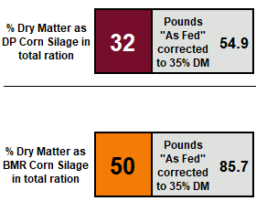
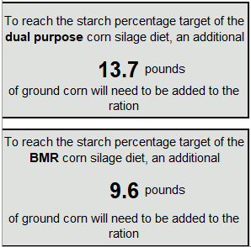

Information for Profitability Tab

